Cover
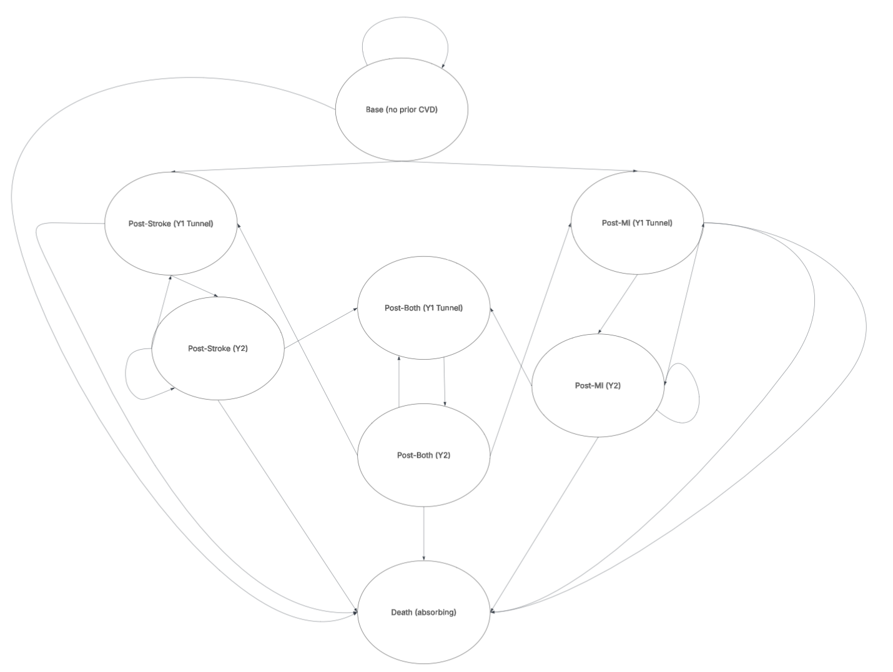 Markov model skeleton: Periodontal Therapy (severe) → CVD outcomes Stroke and coronary heart disease (CHD) States: 0 Base (no prior CVD) 1 Post-Stroke (Y1 tunnel) 2 Post-Stroke (Y2+) 3 Post-CHD (Y1 tunnel) 4 Post-CHD (Y2+) 5 Post-Both (Y1 tunnel) 6 Post-Both (Y2+) 7 Dead (absorbing) How to use: • Put inputs on the Parameters sheet. • Transition_Arms computes transition matrices for Base and Treated. • Trace_* multiply the state distribution by the matrix each cycle. • Results aggregates discounted costs & QALYs and computes ICER. Assumptions: • Competing risks per cycle for stroke, CHD, and background mortality; one event per cycle. • Y1 tunnel suppresses within-cycle competing events (simplification). • Recurrent events allowed from Y2+ and Post-Both Y2+. • Treated arm uses hazard ratios you set in Parameters.

PSA_Results
...
 | PSA Iterations | 10000 | Proportion CE | 15.75%
 |  |  | WTP | 5000
 |  |  |  | -4884.2212037
Cost-Effectiveness Plane
0.88362726234 | £12,936.16
0.66064016264 | £3,705.87
0.70929802519 | £5,903.15
0.12558553711 | £10,295.92
0.11054372346 | £10,822.72
0.23233891877 | £14,611.32
-0.0013522335467 | £7,610.08
0.30079885749 | £4,506.92
0.19087523047 | £11,594.47
0.21911726046 | £6,721.69
0.32886213051 | £7,012.75
0.24067815806 | £5,317.70
0.70852140729 | £7,960.93
0.11895215849 | £10,718.19
0.2209575254 | £4,241.67
0.27466169899 | £11,036.09
0.31400369839 | £3,403.92
0.28211262737 | £13,473.01
0.37454375629 | -£4,693.40
0.13193484617 | £9,091.68
0.63754477355 | £10,186.87
0.083800483994 | £8,252.32
0.30575529722 | £13,522.27
0.27028963375 | £7,338.78
0.41634245792 | £4,726.41
0.081100995787 | -£1,332.14
0.36446002309 | £9,761.33
0.50211616946 | £9,153.03
0.38038804847 | £13,814.60
0.37839245016 | £12,907.67
0.94370666022 | -£4,545.21
0.023478589985 | £8,722.44
0.58489683484 | £4,315.20
0.12995779082 | £16,078.27
0.13775900586 | £7,181.72
0.10227093606 | £8,013.64
0.36256752823 | £7,208.29
0.23754550047 | £15,927.84
0.38074146922 | £12,677.09
0.20910525831 | £12,771.01
0.79669405218 | -£6,119.70
0.5827182979 | £8,917.04
0.36313089789 | £12,508.79
0.2990037451 | £15,305.29
0.46784556243 | £8,681.20
0.68638612885 | -£1,400.84
0.23902584544 | £13,879.56
0.17609298635 | £9,197.53
0.24092148203 | £8,560.25
0.57798299026 | £2,044.46
...
 |  |  |  | -8518.0225492
Less effective and more costly
More effective and more costly
 |  |  |  | -402.66658264
 |  |  |  | -2356.6624691
 |  |  |  | -9667.9896072
 |  |  |  | -10269.996649
 |  |  |  | -13449.626489
 |  |  |  | -7616.8410554
 |  |  |  | -3002.9225946
 |  |  |  | -10640.096742
 |  |  |  | -5626.1006071
 |  |  |  | -5368.4401884
 |  |  |  | -4114.3132944
Average ICER |  |  |  | -4418.3181451
£47,600 |  |  |  | -10123.427174
 |  |  |  | -3136.8817559
 |  |  |  | -9662.7775244
 |  |  |  | -1833.8998815
 |  |  |  | -12062.441992
 |  |  |  | 6566.114016
 |  |  |  | -8432.0070919
 |  |  |  | -6999.1452158
 |  |  |  | -7833.314777
 |  |  |  | -11993.497612
 |  |  |  | -5987.3333065
 |  |  |  | -2644.7001127
 |  |  |  | 1737.6434924
 |  |  |  | -7939.0320916
 |  |  |  | -6642.4455614
 |  |  |  | -11912.662
 |  |  |  | -11015.707037
 |  |  |  | 9263.7463093
 |  |  |  | -8605.0474559
 |  |  |  | -1390.711807
 |  |  |  | -15428.480105
 |  |  |  | -6492.9226791
 |  |  |  | -7502.2812339
 |  |  |  | -5395.4493214
 |  |  |  | -14740.109645
 |  |  |  | -10773.380547
 |  |  |  | -11725.485845
 |  |  |  | 10103.17378
 |  |  |  | -6003.4437194
 |  |  |  | -10693.134043
 |  |  |  | -13810.274534
 |  |  |  | -6341.9719728
 |  |  |  | 4832.7755751
 |  |  |  | -12684.433039
 |  |  |  | -8317.0674054
 |  |  |  | -7355.6438508
 |  |  |  | 845.4564337
 |  |  |  | -11488.113933
 |  |  |  | -5493.0183443
 |  |  |  | -9327.5203233
 |  |  |  | -2155.7538765
 |  |  |  | 172.32536344
 |  |  |  | -15668.397315
 |  |  |  | -8928.1824554
 |  |  |  | -1627.718909
 |  |  |  | 913.47118275
 |  |  |  | -6378.2890341
 |  |  |  | -7237.4815048
 |  |  |  | -3253.5182121
 |  |  |  | -3331.8765178
 |  |  |  | -11595.271063
 |  |  |  | -11678.413035
 |  |  |  | -12610.454931
 |  |  |  | -6736.1051553
 |  |  |  | 3830.6180625
 |  |  |  | -11029.815884
Less effective and less costly
More effective and less costly
 |  |  |  | -6429.1464472
 |  |  |  | -12500.044333 | -9635.3608719
 |  |  |  | -4410.866745 | -3189.2687732
 |  |  |  | -9433.967434 | -7406.5451225
 |  |  |  | -10891.472937 | -10171.761208
 |  |  |  | -8630.752411 | -8222.1226432
 |  |  |  | 11026.886627 | 14366.745632
 |  |  |  | -10689.441896 | -9975.2011587
 |  |  |  | -5449.8470436 | -5420.0775142
 |  |  |  | 10658.056691 | 18185.065841
 |  |  |  | -12958.657174 | -10438.602322
Cost-Effectiveness Acceptability Curve
 | Cost-Effectiveness Acceptability Curve
5000 | 15.75%
10000 | 25.29%
15000 | 36.00%
20000 | 46.31%
25000 | 54.38%
30000 | 60.91%
35000 | 66.75%
 |  |  |  | -5943.612106 | -752.95316428
 |  |  |  | -8861.1007616 | -7955.3547357
 |  |  |  | -7120.4361894 | -5748.23812
 |  |  |  | -8341.2227701 | -6803.6342534
 |  |  |  | -3926.55191 | -2066.1160167
 |  |  |  | -5998.9538305 | -5013.6841799
 |  |  |  | 253.40257864 | 1423.3089303
 |  |  |  | -2327.6311461 | -1593.1103349
 |  |  |  | -12398.93617 | -12502.182963
 |  |  |  | -3836.3693781 | -2462.1281821
 |  |  |  | -8403.9723408 | -5189.4161973
 |  |  |  | -1505.2263351 | 1014.7149518
 |  |  |  | -10505.509435 | -9062.5901762
 |  |  |  | -13514.574711 | -10948.967994
 |  |  |  | -8956.1922303 | -8294.9144653
 |  |  |  | 7933.2171538 | 9807.067921
 |  |  |  | 7075.2597253 | 9922.1286484
 |  |  |  | -11173.834434 | -10501.409529
 |  |  |  | -5139.4189714 | -3466.8342669
 |  |  |  | -8296.927075 | -6857.3685824
 |  |  |  | -9448.5758943 | -6253.4528163
 |  |  |  | -7346.9728513 | -5458.278184
 |  |  |  | -9674.4164528 | -6946.7499828
 |  |  |  | -7900.6212155 | -5889.8439693
 |  |  |  | -5871.841222 | -4767.172712
 |  |  |  | 4730.5291467 | 8713.6003028
 |  |  |  | -3688.7728659 | 1517.0147892
 |  |  |  | -5429.6564657 | -4759.2188641
 |  |  |  | -7892.1880808 | -5364.8831614
 |  |  |  | -7360.2659398 | -5662.6217684
 |  |  |  | -7009.4458741 | -6612.0153333
 |  |  |  | 11269.34937 | 12447.325406
 |  |  |  | -10878.894417 | -10433.700307
 |  |  |  | -10037.583364 | -7196.4384603
 |  |  |  | -6925.0963871 | -5634.5201892
 |  |  |  | 1187.2892839 | 2213.3092382
 |  |  |  | -10224.348036 | -7647.1156238
 |  |  |  | -5457.2513496 | -1304.6230875
 |  |  |  | -10103.764322 | -9050.5962745
 |  |  |  | -10491.747376 | -9312.5966682
 |  |  |  | -4640.3385436 | -3393.5127528
 |  |  |  | -9425.955183 | -7952.0454848
 |  |  |  | -2734.5151537 | -378.93084454
 |  |  |  | -3160.0931437 | -71.483605948
 |  |  |  | -8972.7120466 | -6847.7378365
 |  |  |  | -9018.1180989 | -6829.9344973
 |  |  |  | -13584.30514 | -13282.716196
 |  |  |  | -6846.7391929 | -4858.4463163
 |  |  |  | -3925.8032921 | -2223.4009571
 |  |  |  | -9951.5718336 | -9173.9797984
 |  |  |  | -5440.8599264 | -2356.0613032
NICE Threshold
 |  |  |  | 1277.8893715 | 3912.6964983
 |  |  |  | 581.39067424 | 5896.4824424
 |  |  |  | -6840.8905694 | -4648.3675169
 |  |  |  | -7433.7499198 | -5601.829391
 |  |  |  | -6997.7962588 | -5235.4208146
 |  |  |  | -13071.693803 | -11360.907252
 |  |  |  | -4071.3284864 | -2641.2569278
 |  |  |  | -10872.539712 | -8682.0884425
 |  |  |  | -7833.663455 | -7038.1254896
 |  |  |  | 3215.056495 | 7428.7248836
 |  |  |  | -6946.5262595 | -5809.4027068
 |  |  |  | -8106.347944 | -6365.1692199
 |  |  |  | -925.43501782 | 2457.6167425
 |  |  |  | -7248.5581874 | -5213.4386148
 |  |  |  | -6510.2683635 | -4923.339343
 |  |  |  | -4370.6882122 | -3961.9438645
 |  |  |  | -11424.340653 | -9902.3352314
 |  |  |  | -4282.5791916 | -759.8117698
 |  |  |  | -3383.3100866 | -937.49377398
 |  |  |  | 13543.779102 | 19332.50336
 |  |  |  | -11307.577543 | -8875.6485233
 |  |  |  | -1966.3522951 | -1108.4575258
 |  |  |  | -2085.3715425 | -1492.511004
 |  |  |  | -615.09531467 | 694.54900341
 |  |  |  | -3040.0580311 | -262.28172918
 |  |  |  | -12572.6749 | -11292.571652
 |  |  |  | -8565.0435239 | -4594.5687271
 |  |  |  | -6569.7032015 | -5760.5966888
 |  |  |  | 7980.9853691 | 8618.3696278
 |  |  |  | -3401.6629364 | -990.38462897
 |  |  |  | -8094.5768762 | -5657.0738812
 |  |  |  | -9505.9848062 | -8240.0498853
 |  |  |  | -14217.12026 | -12781.243689
 |  |  |  | 1106.1900905 | 3372.9013625
 |  |  |  | 5396.4200996 | 9164.8256197
...

